Training Confusion Matrices
 | Log Reg - Fav Thresh = 6, UG Thres = -6 Differential | RF Max Depth 5- Fav Thresh = 6, UG Thres = -6 Differential | RF Max Depth 7 - Fav Thresh = 6, UG Thres = -6 Differential | SVC - Fav Thresh = 6, UG Thres = -6 Differential
Normalized | 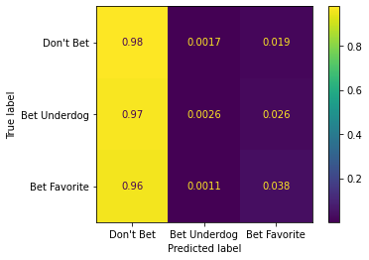 | 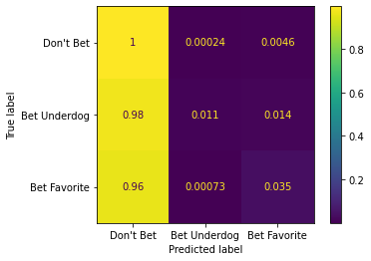 | 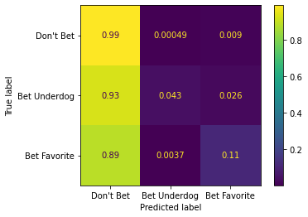 | 
Not Normalized | 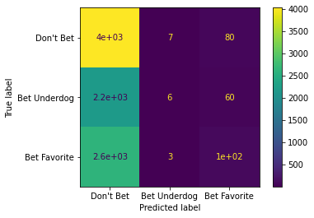 | 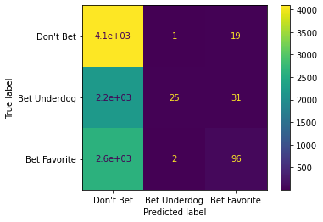 | 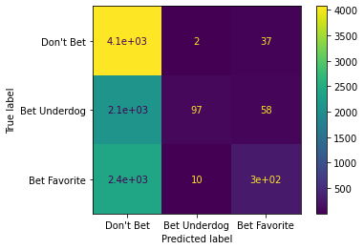 | 

